Virtual Vlan Ranges
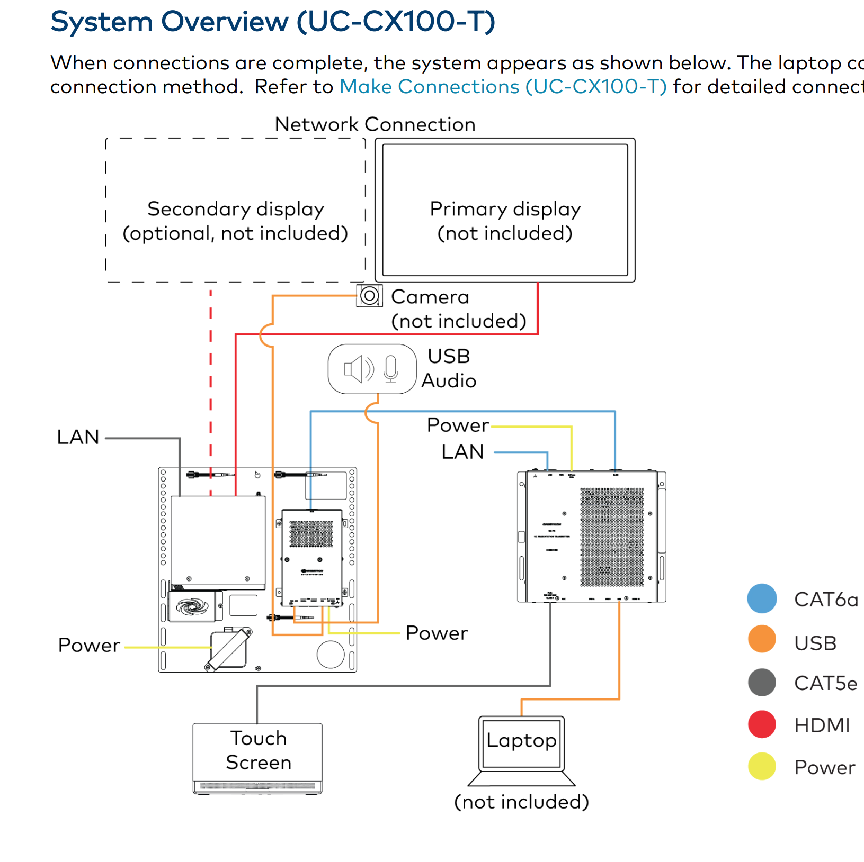
 |  |  |  | Devices

AV VLAN | 192.168.85.1/24 | Airmedia Manual | https://www.crestron.com/getmedia/4f1d5052-19f6-4f82-b0a1-503854eeebbc/mg_pm_am-3-receivers

 |  | LINK Dante | https://www.audinate.com/sites/default/files/PDF/adding-dante-to-your-network-audinate.pdf

 |  | Flex | https://www.crestron.com/getmedia/08d0bf30-a8d6-4346-b6b7-0ab1182fb8e5/mg_sr_uc-engine
 |  |  | https://www.crestron.com/Products/Workspace-Solutions/Unified-Communications/Crestron-Flex-Integrator-Kits/UC-CX100-T

